TestReport
Test Case Report
Project Name - | PURCHASE -Online Shopping Store
Module Name - | Navigation Menu, Contents, SignUp and SignIn |  |  |  |  | Total No. | Status | Result :
Test Case Version | - |  |  |  |  | 91 | PASS
Written By | Faysal Sarder |  |  |  |  | 12 | FAIL
Executed By | Faysal Sarder |  |  |  |  | 2 | Not Executed | New Features | Testing Scope | Testing Environment :
Reviewed By | - |  |  |  |  | 0 | Out of Scope |  |  | Test Environment | Google Chrome Browser
TEST EXECUTION REPORT |  |  |  |  |  | 103 | Executed

Test Case Report
Test Case | PASS | FAIL | Not Executed | Out Of Scope | Total TC
 | 91 | 12 | 2 | 0 | 105
Grand Total | 91 | 12 | 2 | 0 | 105

LIMITATIONS
Documents |  |  |  | Received | Useful
PRD |  |  |  | No | No
USER STORY |  |  |  | No | No

 | Testing Type in Scope | Description

Yes/ No. Justification (If No): | Functional Testing | This type of testing ignores the internal parts and focuses only on the output to check if it is as per the requirement or not.

Yes/ No. Justification (If No): | Integration Testing | Testing of all integrated modules to verify the combined functionality after integration is termed as Integration Testing.

Yes/ No. Justification (If No): | Negative Testing | Testing having the mindset of “attitude to break” using incorrect data and invalid inputs.

Yes/ No. Justification (If No): | Usability Testing | Test application from user friendliness perspective.

Yes/ No. Justification (If No): | Browser Compatibility Testing | Browser Compatibility Testing is performed for web applications and it ensures that the software can run with the combination of different browser and operating system. This type of testing also validates whether web application runs on all versions of all browsers or not.

Yes/ No. Justification (If No): | Boundary Value Testing | There is an upper and lower boundary for each range and testing is performed on these boundary values.

Yes/ No. Justification (If No): | Risk Based Testing Or Regression Testing | Risk-Based Testing includes testing of highly critical functionality, which has the highest impact on business and in which the probability of failure is very high. Testing an application as a whole for the modification in any module or functionality is termed as Regression Testing.

TestMetrics
 | RestMetrics/Summary

Test Cases Report Percentage (%) Of Test Cases Executed VS UnExecuted
Total No. of Test Cases Executed | 103
No. of Test Cases Un-Executed | 2
#Serial No | Required Data | Number
1 | No. of Requirements | 19
2 | Avg. No of Test Cases written per Requirement | 5.5263157895
3 | Total No. of Test Cases written for all Requirements | 105
4 | Total No. of Test Cases Executed | 103
5 | No of Test Cases Passed | 91
6 | No of Test Cases Failed | 12
7 | No of Test Cases Blocked | 0
8 | No. of Test Cases Un-Executed | 2
9 | Total No of Defects identified | 12
10 | Critical Defects Count | 2
11 | Higher Defects Count | 3
12 | Medium Defects Count | 4
13 | Low Defects Count | 3
14 | Customer Defects
15 | No. of Defects Found in UAT

TestMetricsResult
Test Metrics
% Test Cases Blocked | 0%
Defect Density | 63%
Defect Removal Efficiency (DRE) | 94%
Defect Leakage | 5%
Defect Rejection Ratio | 1%
% of Test Case Executed | 98%
% of Test Case Not Executed | 2%
% Test Cases Passed | 88%
% Test cases failed | 12%

SL | Formula Name | Equiations | Result

1 | % Test Cases Blocked | (No of Cases Blocked/Total Test Cases executed)*100 | 0 | 0%
2 | Defect Density | No of Defect found/size(No of requirements)*100 | 0.63157894737 | 63%
3 | Defect Removal Efficiency (DRE) | 1. (A/(A+B))*100 [here, A = defects identified during testing or fixed Defects, B = Defects identified by the coustomer or Missed defects ] 2.(Fixed Defects/(Fixed Defects + Missed defects))*100 | 94.0853691 | 94%
4 | Defect Leakage | (No of Defects found in UAT /No of Defects found in Testing)*100 | 5 | 5%
5 | Defect Rejection Ratio | (No of Defect rejected/Total No of Defects raised)*100 | 1 | 1%
6 | Defect Age | Fixed data - Reported data | 2 days
7 | Customer satisfaction | No of complains per period of time | 6 times
8 | % of Test Case Executed | (No of cases executed/Total No of test cases written)*100 | 98.095238095 | 98%
9 | % of Test Case Not Executed | (No of test cases not executed/Total no of test cases written)*100 | 1.9047619048 | 2%
TestMetrics 2
10 | % Test Cases Passed | (No of cases passed/Total test executed)*100 | 88.349514563 | 88%
11 | % Test cases failed | (No of test cases failed/Total test cases executed)*100 | 11.650485437 | 12%

TestCase_MindMap
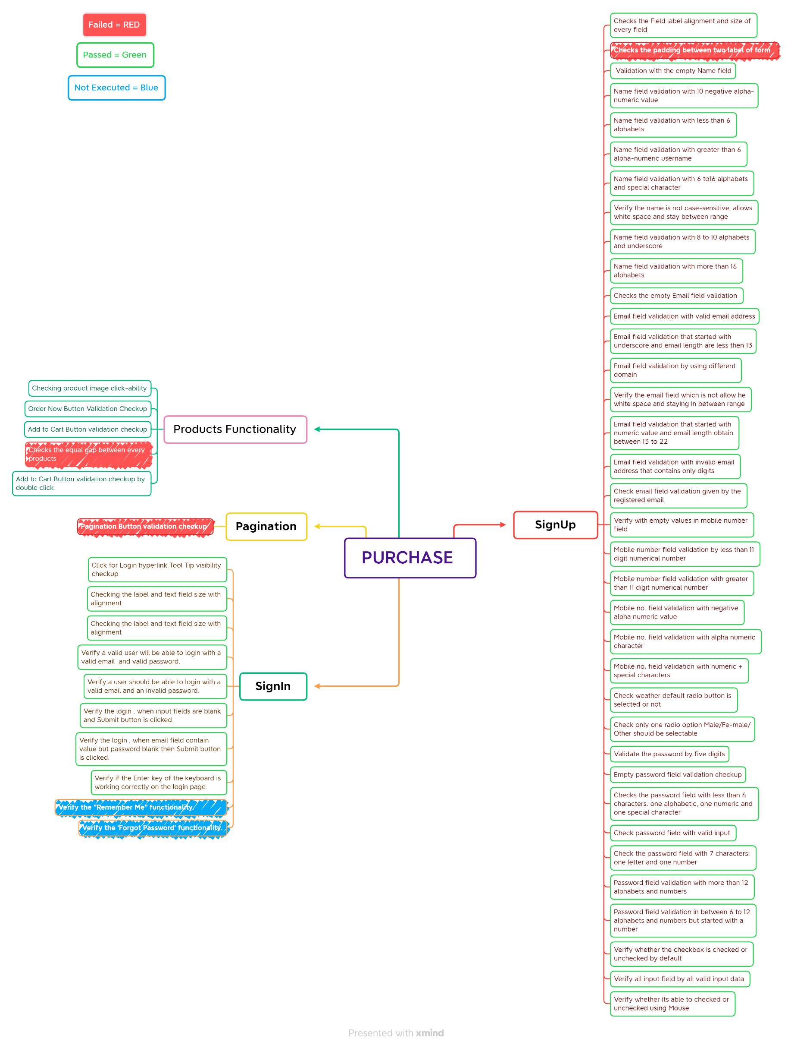

Failed | Red
Passed | Green
Not Executed | Blue

